Sheet1
Zeeman Splitting vs Magnetic Field Strength
Radius cm | Current (A) | Current U (A) | B Field (Gauss) | B Field U | 1-3 Split MHz | 1-3 Error | 2-3 Split MHz | 2-3 Error | F'=3 Split MHz | F'=3 Error
8.74 | 0.00 | 0 | 0.00 | 0.000 | 0 | 0.00 | 0.00 | 0.00 | 0 | 0.00
 | 0.50 | 0.01 | 16.5 | 0.330 | 19.89 | 0.468 | 8.19 | 0.468 | 11.7 | 0.468
 | 1.00 | 0.01 | 33.0 | 0.330 | 35.1 | 1.17 | 35.1 | 1.17 | 35.1 | 1.17
 | 1.50 | 0.01 | 49.4 | 0.330 | 49.61 | 2.34 | 50.54 | 2.34 | 48.67 | 2.34
 | 2.00 | 0.01 | 65.9 | 0.330 | 69.03 | 5.85 | 71.37 | 5.85 | 64.35 | 5.85
 | 2.50 | 0.01 | 82.4 | 0.330 | 84.24 | 5.85 | 86.58 | 5.85 | 78.39 | 5.85
 | 3.00 | 0.01 | 98.9 | 0.330 | 86.58 | 11.7 | 102.492 | 11.7 | 95.94 | 11.7
Zeeman Splitting vs Magnetic Field Strength

 | 2 micro
 | 5 micro
 | 10 micro
 | 25 micro
 | 25 micro
 | 50 micro

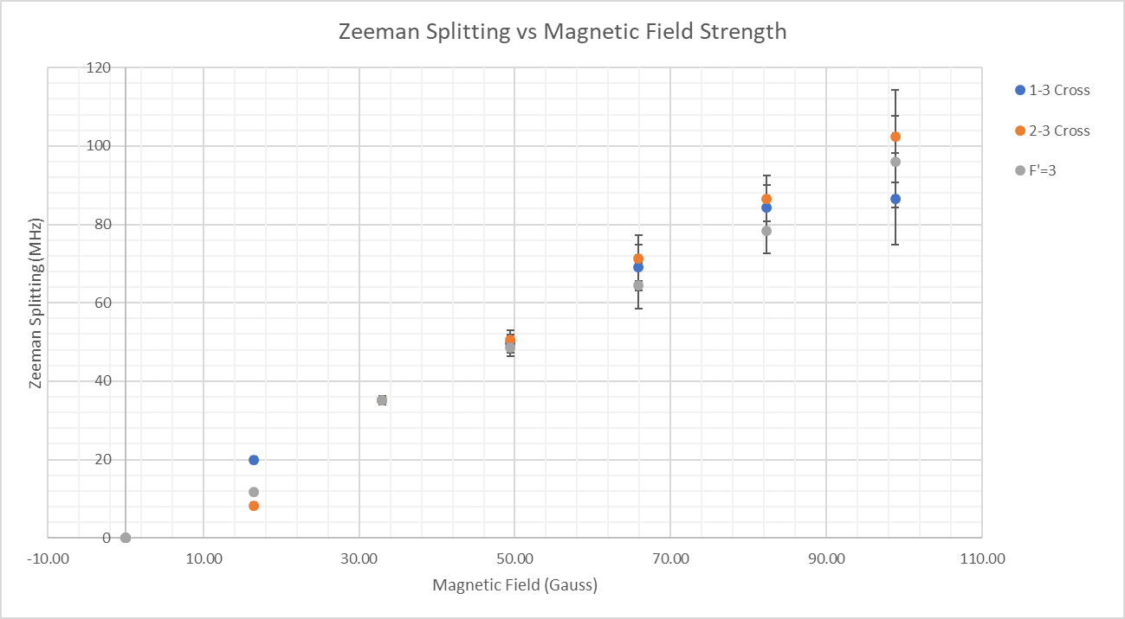

h | 6.63E-27 |  | F'=3 Frequency | F'=3 Energy | B field | Lande g-factor
mu_B | 9.27E-21 |  | 11.7 | 7.75E-20 | 16.476 | 2.54E-01
mF | 2 |  | 35.1 | 2.33E-19 | 32.952 | 3.81E-01
 |  |  | 48.67 | 3.22E-19 | 49.428 | 3.52E-01
 |  |  | 64.35 | 4.26E-19 | 65.904 | 3.49E-01
 |  |  | 78.39 | 5.19E-19 | 82.380 | 3.40E-01
 |  |  | 95.94 | 6.36E-19 | 98.856 | 3.47E-01
 |  |  |  |  | average | 3.37E-01

take variational derivative of g_F
 | B field | B Error | F'=3 Energy | F'=3 U (MHz) | F'=3 U (Erg) | lande g error
 | 0 | 0 | 0 | 0.00 | 0.00E+00 | #DIV/0!
 | 16.47597254 | 0.3295194508 | 7.75242E-20 | 0.468 | 3.10E-27 | -0.020294495749
 | 32.95194508 | 0.3295194508 | 2.325726E-19 | 1.17 | 7.75E-27 | -0.015220851517
 | 49.42791762 | 0.3295194508 | 3.2248742E-19 | 2.34 | 1.55E-26 | -0.00938
 | 65.90389016 | 0.3295194508 | 4.263831E-19 | 5.85 | 3.88E-26 | -0.00698
 | 82.3798627 | 0.3295194508 | 5.1941214E-19 | 5.85 | 3.88E-26 | -0.00544
 | 98.85583524 | 0.3295194508 | 6.3569844E-19 | 11.7 | 7.75E-26 | -0.00462
 |  |  |  |  |  | -0.010322151567

